1. Title Page
[Instacart Grocery Basket Analysis]

Project Name: Instacart Grocery Basket Analysis
Date: 08/28/2023
Analyst Name: Alex Lam

Contents:
Population Flow
Consistency checks
Wrangling steps
Column derivations
Visualizations
Recommendations

2. Population Flow
Title page

Population flow

Exclusion flag
Condition: max_order < 5
Obervations to be removed: 2875
Final total count of order_products_all: 32431337

Orders_products_combined
Orders_products_merged
Orders_products_all
Note: The exclusion flag was applied to the Orders_product_merged dataframe. This new Orders_products_merged (df_orders_products_new) data frame was merged with the customers dataframe (df_user_stats_customers) afterwards.

Total: 32434212
Total: 32434489
Total: 32434212

1.) The grey boxes in the first row of the population flow represent the original data sets as they were when you downloaded them. In the Total fields you need to add the count of the rows when you imported the data set into Jupyter.
2.) The second row of boxes (coloured) represents the data sets after you manipulated them, e.g., removed missing values and duplicates. In the Total fields you need to add the count of the rows after conducting these operations. This offers a visual oveview of how the data flows throughout the data consistency checks.
3.) The third row, where also the arrows are coloured, represents the merges you performed between the datasets. In the Total fields you need to add the count of the rows in the merged datasets, so that you end up with the final dataset (in the red box). Keep in mind the final dataset should be without exclusions (based on the exclusion flag).

3. Consistency checks
 |  |  |  | Title page
Consistency checks

Dataset | Missing values | Missing values treatment | Duplicates
orders | 206209 | Replace with 0 | Dropped any duplicates
products | 16 | Removing null values from data frame | Dropped any duplicates
orders_products_prior | 0 | N/A | Dropped any duplicates
customers | 0 | N/A | Dropped any duplicates

4. Wrangling steps
 |  |  |  |  | Title page
Wrangling steps

Data Set | Columns renamed | Columns' type changed | Columns dropped | Comment/Reason
orders | "order_dow" to "orders_day_of_week" |  |  | Clarify column's variable
orders |  | order_id changed from int to str |  | Order_id is not going to be used for any analysis outside of differentiating users
orders |  |  | eval_set | Unneeded for analysis
customers | "n_dependents" to "num_dependents" |  |  | Clarify column's variable
customers |  |  | First Name | Unneeded for analysis, user privacy
customers |  |  | Surnam | Unneeded for analysis, user privacy
customers |  |  | Gender | Unneeded for analysis
customers |  |  | date_joined | Unneeded for analysis

5. Column derivations
 |  |  |  | Title page

Column derivations and aggregations

In this tab you should add tables below that the frequences of flags/label variables that you produced after deriving them. NB: don't do this for continuous variables, only for flags.
Dataset | New column | Column/s it was derived from | Conditions
df_ords_prods_merged_cleaned | price_range | prices from products data set | def price_label(row): if row['prices'] <= 5: return 'Low-range product' elif(row['prices'] > 5) and (row['prices] <= 15): return 'Mid-range product' elif row['prices'] > 15: return 'High range' else: return 'Not enough data'
df_ords_prods_merged_cleaned | busiest_day | orders_day_of_the_week from orders data set | result = [] for value in df_ords_prods_merged_cleaned["orders_day_of_week"]: if value == 0: result.apprend("Busiest day") elif value == 4: result.apprend("Least busy") else: result.apprend("Regularly busy")
df_ords_prods_merged_cleaned | busiest_days | orders_day_of_the_week from orders data set | days = [] for x in df_ords_prods_merged_cleaned["orders_day_of_week"]: if (x == 0) or (x == 1): days.apprend("Busiest days") elif (x == 3) or (x == 4): days.apprend("Least busiest days") else: days.append("Regularly busy")
df_ords_prods_merged_cleaned | busiest_period_of_day | orders_hour_of_day from orders data set | #Creating lists for most and average hours Most =[10, 11, 14, 15, 13, 12, 16, 9] Average = [17, 8, 18, 19, 20, 7, 21, 22] hours = [] for x in df_ords_prods_merged_cleaned["order_hour_of_day"]: if (x in Most): hours.append("Most orders") elif (x in Average): hours.append("Average orders") else: hours.append("Fewest orders")
df_ords_prods_merged_cleaned | max_order | user_id and order_number from orders data set | df_ords_prods_merged_clean['max_order'] = df_ords_prods_merged_clean.groupby(['user_id'])['order_number'].transform(np.max)
df_ords_prods_merged_cleaned | loyalty_flag | max_order from df_ords_prods_merged_cleaned data set | df_ords_prods_merged_clean.loc[df_ords_prods_merged_clean['max_order'] > 40, 'loyalty_flag'] = 'Loyal customer' df_ords_prods_merged_clean.loc[(df_ords_prods_merged_clean['max_order'] <= 40) & (df_ords_prods_merged_clean['max_order'] > 10), 'loyalty_flag'] = 'Regular customer' df_ords_prods_merged_clean.loc[df_ords_prods_merged_clean['max_order'] <= 10, 'loyalty_flag'] = 'New customer'
df_spender_avg | price_avg | user_id and prices from orders data set | df_spender_avg['price_avg'] = df_ords_prods_merged_clean.groupby('user_id').agg({'prices': ['mean']})
df_spender_avg | spending_avg | price_avg from df_spender_avg | df_spender_avg.loc[df_spender_avg['price_avg'] >= 10, 'spending_avg'] = 'High spender' df_spender_avg.loc[df_spender_avg['price_avg'] < 10, 'spending_avg'] = 'Low spender'
df_customer_frequency | frequency_mean | user_id and days_since_prior_order from orders data set | df_customer_frequency['frequency_mean'] = df_ords_prods_merged_clean.groupby('user_id').agg({'days_since_prior_order': ['mean']})
df_customer_frequency | customer_frequency | frequency_mean from df_customer_frequency | df_customer_frequency.loc[df_customer_frequency['frequency_mean'] > 20, 'customer_frequency'] = 'Non-frequent customer' df_customer_frequency.loc[(df_customer_frequency['frequency_mean'] <= 20) & (df_customer_frequency['frequency_mean'] > 10), 'customer_frequency'] = 'Regular customer' df_customer_frequency.loc[df_customer_frequency['frequency_mean'] <= 10, 'customer_frequency'] = 'Frequent customer'
df_user_stats_customers | region | STATE from customers data set | #Making lists for each region for an if else statement Region1 = ['Maine', 'New Hampshire', 'Vermont', 'Massachusetts', 'Rhode Island', 'Connecticut', 'New York', 'Pennsylvania', 'New Jersey'] Region2 = ['Wisconsin', 'Michigan', 'Illinois', 'Indiana', 'Ohio', 'North Dakota', 'South Dakota', 'Nebraska', 'Kansas', 'Minnesota', 'Iowa', 'Missouri'] Region3 = ['Delaware', 'Maryland', 'District of Columbia', 'Virginia', 'West Virginia', 'North Carolina', 'South Carolina', 'Georgia', 'Florida', 'Kentucky', 'Tennessee', 'Mississippi', 'Alabama', 'Oklahoma', 'Texas', 'Arkansas', 'Louisiana'] Region4 = ['Idaho', 'Montana', 'Wyoming', 'Nevada', 'Utah', 'Colorado', 'Arizona', 'New Mexico', 'Alaska', 'Washington', 'Oregon', 'California', 'Hawaii'] def region(row): if row['STATE'] in Region1: return 'Region 1' elif row['STATE'] in Region2: return 'Region 2' elif row['STATE'] in Region3: return 'Region 3' elif row['STATE'] in Region4: return 'Region 4' else: return 'Not enough data'
df_orders_products | order_count | user_id and order_number from orders data set | df_orders_products['order_count'] = df_orders_products.groupby(['user_id'])['order_number'].transform('count')
df_orders_products | activity | order_count from df_orders_products | flag = [] for value in df_orders_products['order_count']: if value < 5: flag.append("Low Activity") else: flag.append("High Activity")
df_user_stats_customers | customer_profile | Age, num_of_dependents, and fam_status from customer data set | df_user_stats_customers.loc[(df_user_stats_customers['Age'] < 62) & (df_user_stats_customers['num_dependants'] == 0) & (df_user_stats_customers['fam_status'] != 'married'), 'customer_profile'] = 'Single Non-Parent Adult' df_user_stats_customers.loc[(df_user_stats_customers['Age'] < 62) & (df_user_stats_customers['num_dependants'] == 0) & (df_user_stats_customers['fam_status'] == 'married'), 'customer_profile'] = 'Married Non-Parent Adult' df_user_stats_customers.loc[(df_user_stats_customers['Age'] < 62) & (df_user_stats_customers['num_dependants'] > 0) & (df_user_stats_customers['fam_status'] != 'married'), 'customer_profile'] = 'Single Parent Adult' df_user_stats_customers.loc[(df_user_stats_customers['Age'] < 62) & (df_user_stats_customers['num_dependants'] > 0) & (df_user_stats_customers['fam_status'] == 'married'), 'customer_profile'] = 'Married Parent Adult' df_user_stats_customers.loc[(df_user_stats_customers['Age'] >= 62) & (df_user_stats_customers['num_dependants'] == 0) & (df_user_stats_customers['fam_status'] != 'married'), 'customer_profile'] = 'Single Non-Parent Senior' df_user_stats_customers.loc[(df_user_stats_customers['Age'] >= 62) & (df_user_stats_customers['num_dependants'] == 0) & (df_user_stats_customers['fam_status'] == 'married'), 'customer_profile'] = 'Married Non-Parent Senior' df_user_stats_customers.loc[(df_user_stats_customers['Age'] >= 62) & (df_user_stats_customers['num_dependants'] > 0) & (df_user_stats_customers['fam_status'] != 'married'), 'customer_profile'] = 'Single Parent Senior' df_user_stats_customers.loc[(df_user_stats_customers['Age'] >= 62) & (df_user_stats_customers['num_dependants'] > 0) & (df_user_stats_customers['fam_status'] == 'married'), 'customer_profile'] = 'Married Parent Senior'

 |  | +B7:D19 +D46

6. Visualizations
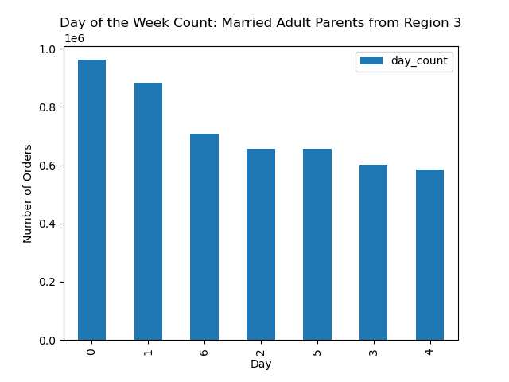

 |  |  |  |  | Title page

Visualisations

In this tab you should include all the visualtions from Exercises 4.9 and 4.10, alongside the questions from the project brief that they answer. Include any commentary on the relationship between different variables.

 |  |  |  |  |  | Question | Insight

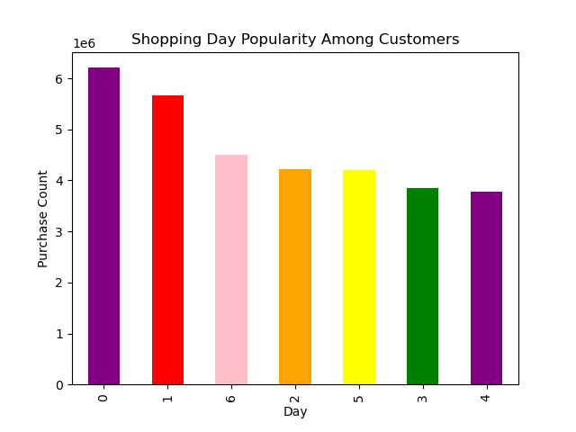 | 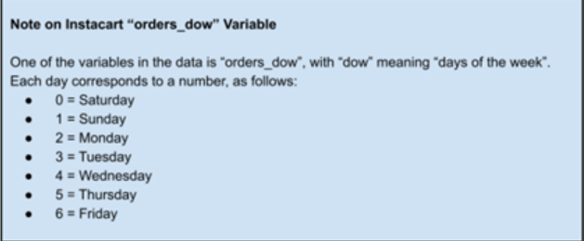 |  | 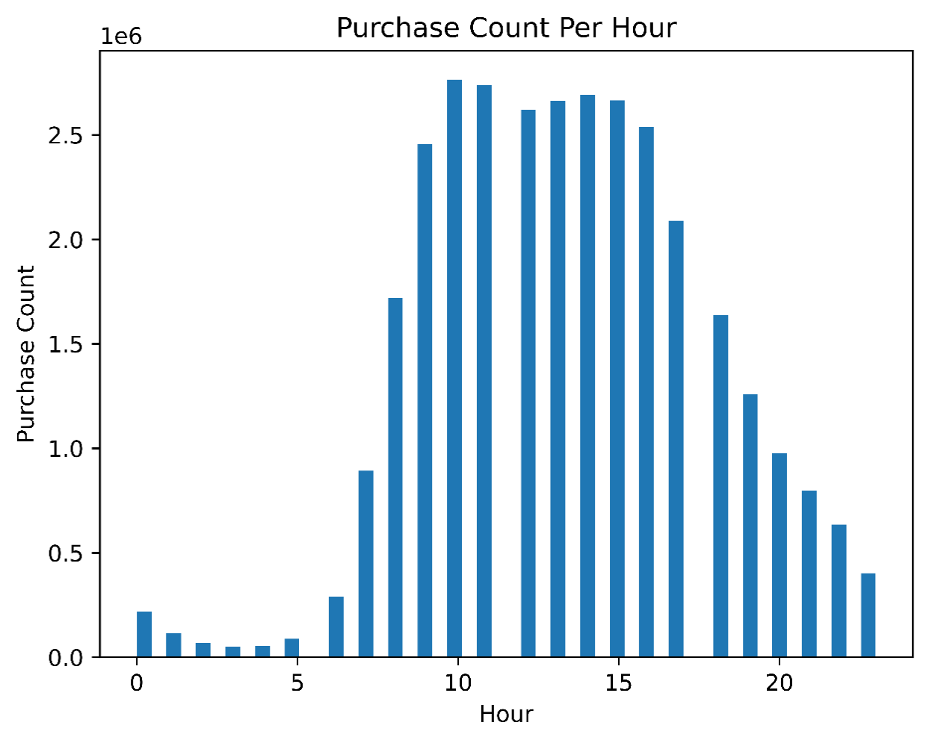 |  |  | The sales team needs to know what the busiest days of the week and hours of the day are (i.e., the days and times with the most orders) in order to schedule ads at times when there are fewer orders. | Saturday and Sunday are the busiest days of the week. Afterwards, Friday is the most popular day. There is a significant drop between Sunday and Friday. Both Tuesday and Wednesday are the least popular days. The peak purchase count is 10:00 am to 3:00 pm after wards the number of purchases stabilzes. After 5:00 pm there is a sharp decline in the total purchase count.

 | 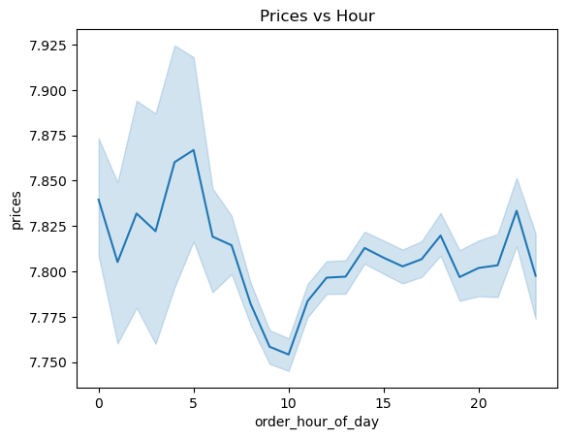 |  |  |  |  | They also want to know whether there are particular times of the day when people spend the most money, as this might inform the type of products they advertise at these times. | Customers spend the most money from 12:00 am from 5:00 am per single purchase. On average, even though there are less people who purchase products in the early morning time, those who do shop spend more money on average.

 | 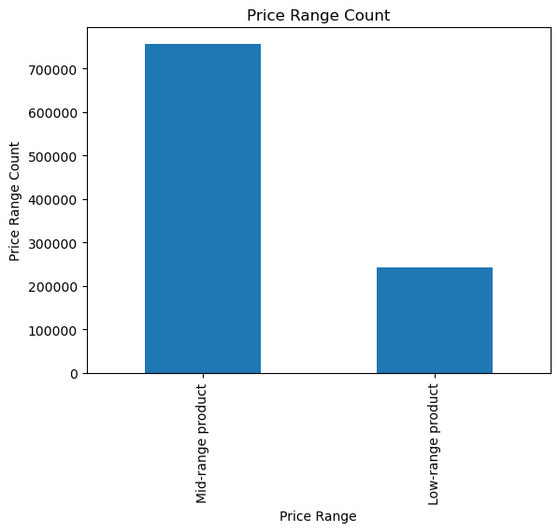 |  |  |  |  | Instacart has a lot of products with different price tags. Marketing and sales want to use simpler price range groupings to help direct their efforts. | Items are differentiated by where their prices are located on a price range. A low range product is $5 and less. A middle range product is $6 to $15. A high range product is $16 and more. There are no high range products offered via Instacart.

 |  | 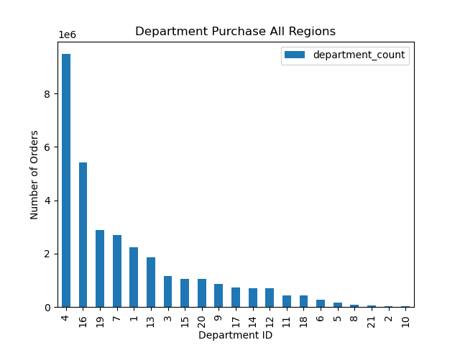 |  |  |  | Are there certain types of products that are more popular than others? The marketing and sales teams want to know which departments have the highest frequency of product orders. | Throughout all the country, department 4, produce, is the most popular. Department 10, bulk, is the least popular.

 |  | 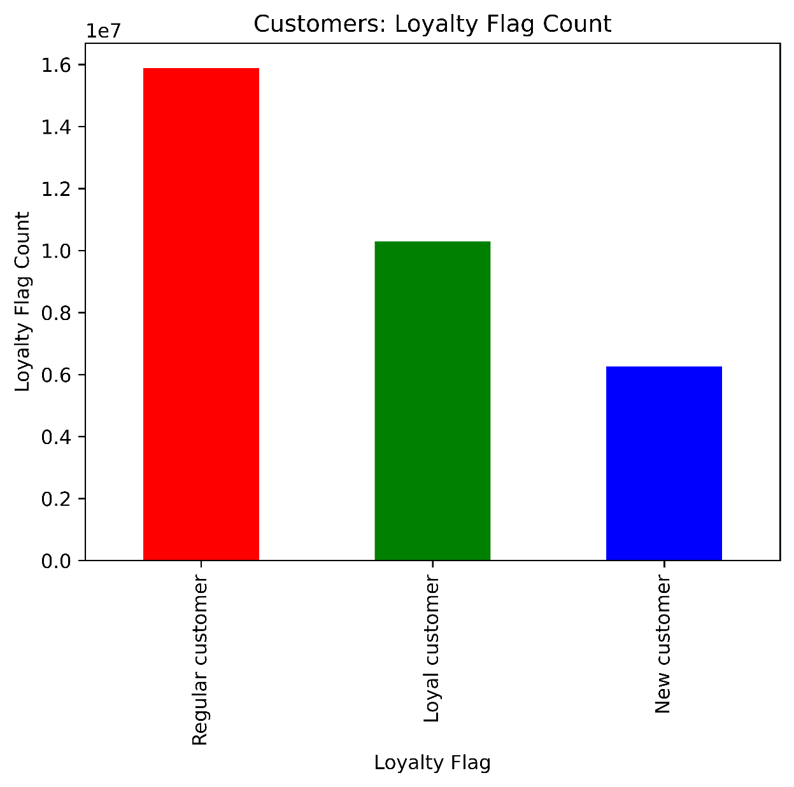 |  |  |  | What’s the distribution among users in regards to their brand loyalty (i.e., how often do they return to Instacart)? | Most the customers instacart have are regular customers. Regular customers are defined as people who have made 11 to 40 total orders. Loyal customers are defined as people who have made over 40 purchases. New customers have made less than 10 orders.

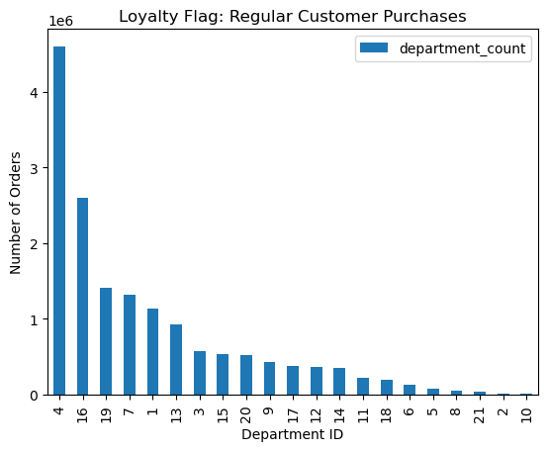 |  |  | 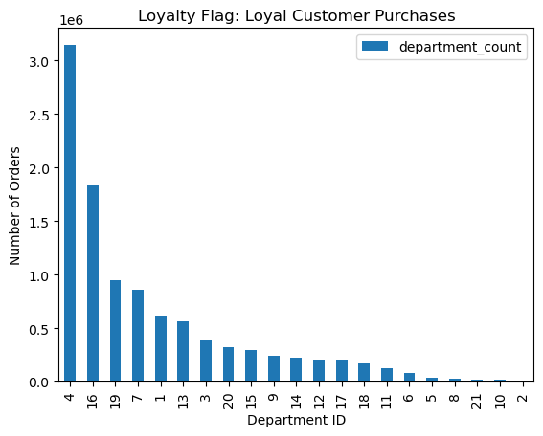 |  |  | Are there differences in ordering habits based on a customer’s loyalty status? | Customers of all different kinds of Instacart loyalty buy similar products compared to each other. The most popular and least popular products are uniform between loyalty status.

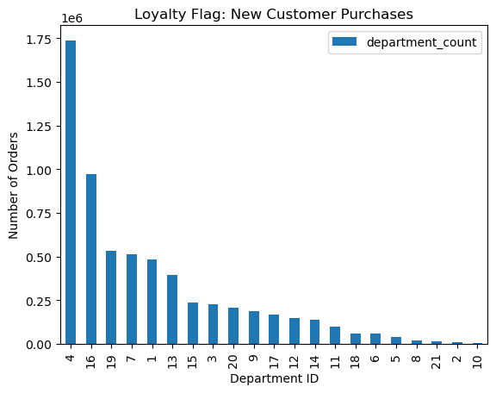

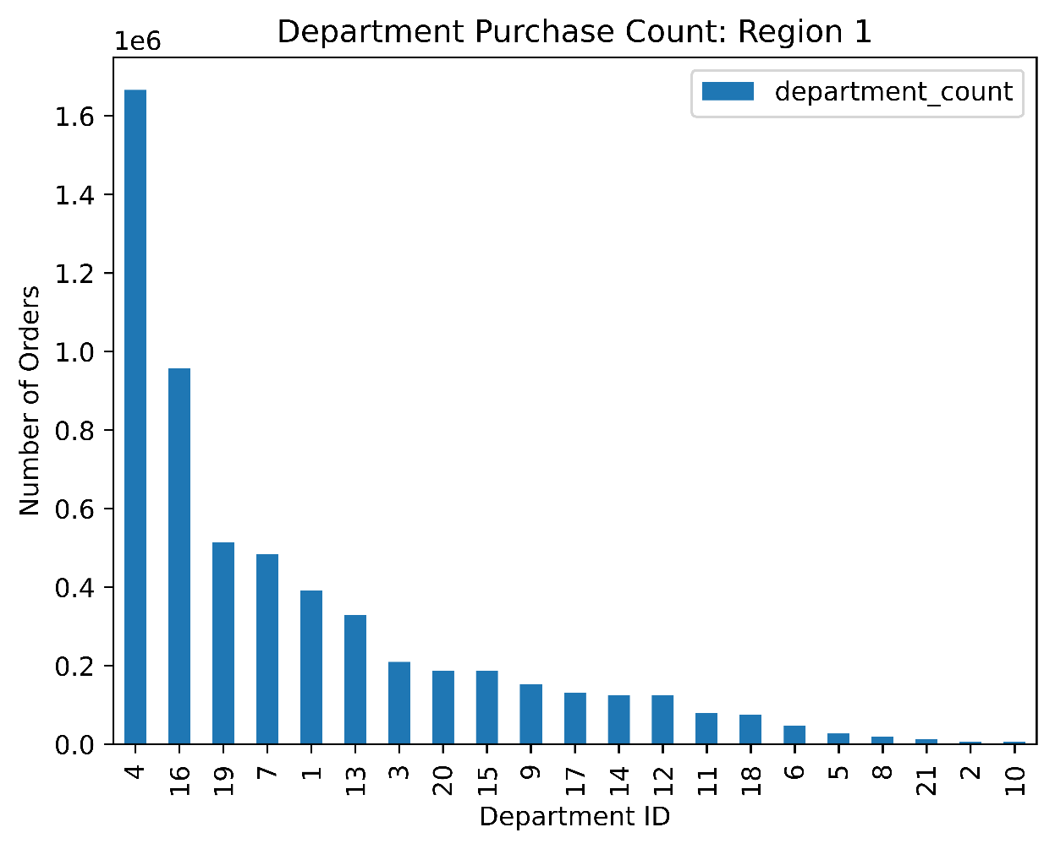
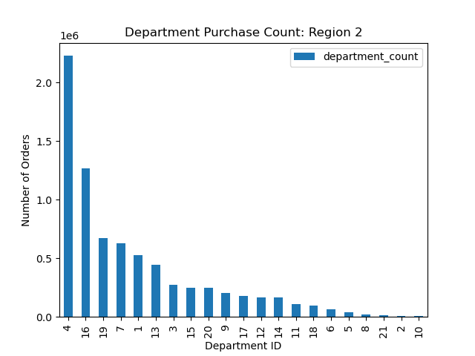

 |  |  |  |  |  | Are there differences in ordering habits based on a customer’s region? | Department popularity between each region is mostly uniform. Departments 4, 16, and 19 are the most popular. Departments 21, 2, and 10 are the least popular.




 | 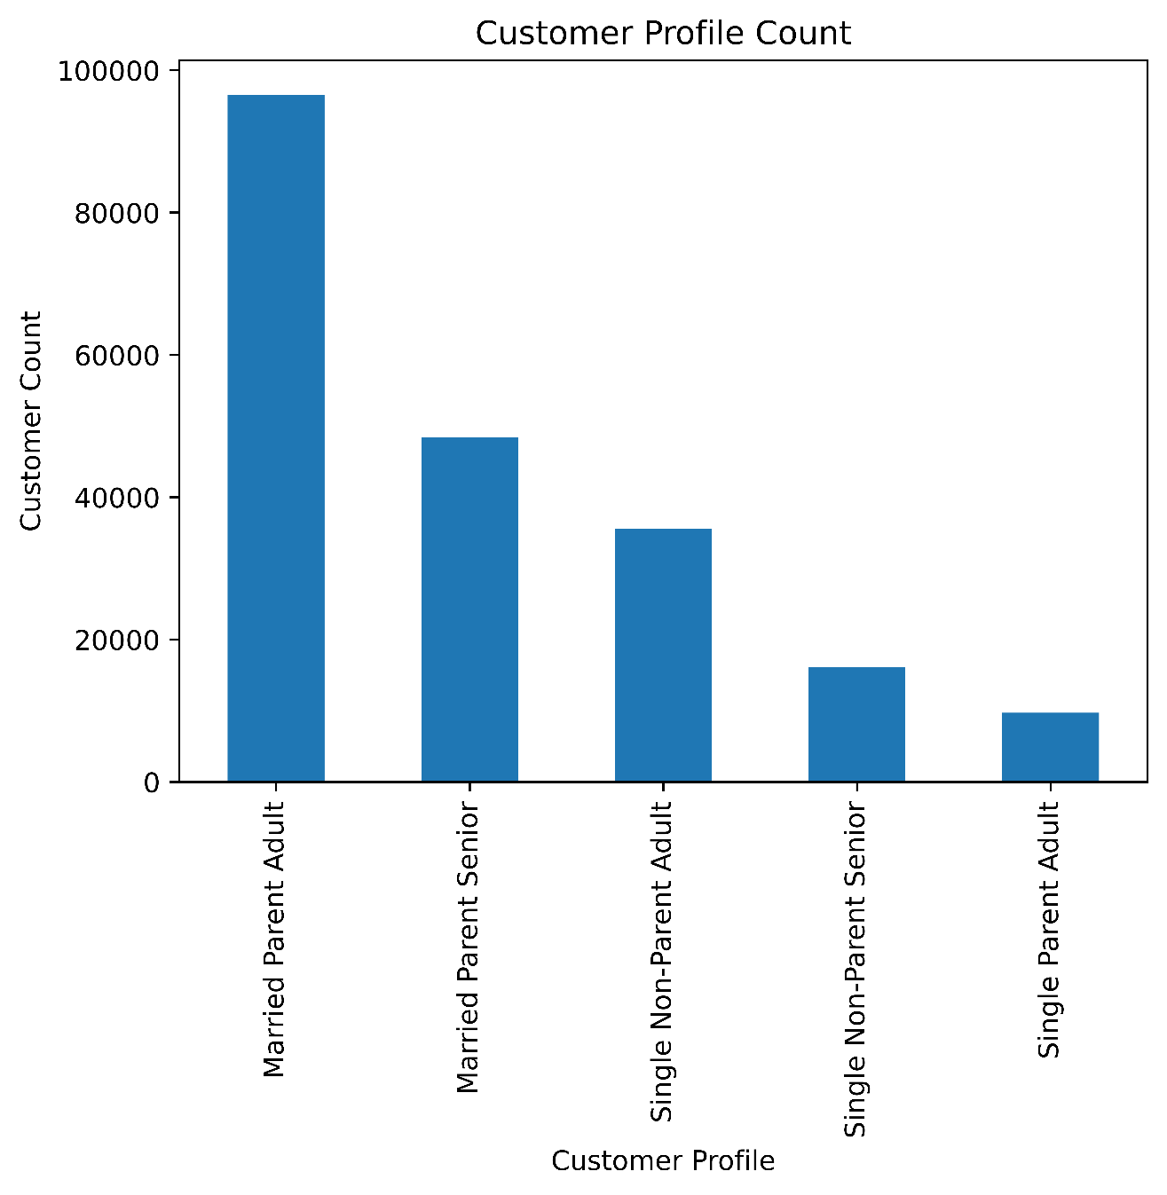 |  |  | 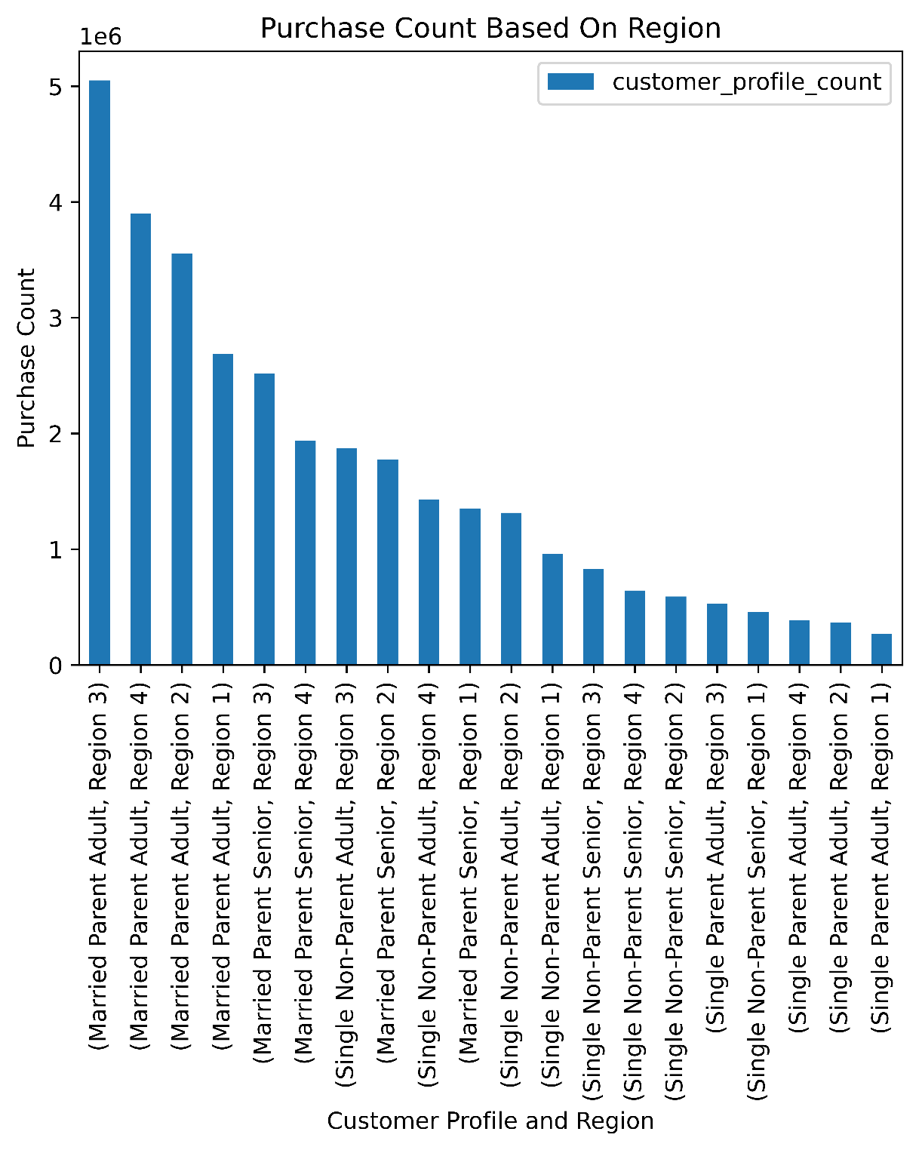 |  | Is there a connection between age and family status in terms of ordering habits? | The largest percentage of customers are married parent adults. Married parent seniors are the second highest percentage. Instacart users are in family units. Single people make up smaller percentages of the Instacart customers. Furthermore, when cusomter profiles are organized by region, married parent adults are shown to make the most purchases between different regions.

 |  |  |  |  |  |  | The customer profiles are defined by the following variables: Age, num_dependent, and fam_status. Senior age is 62 and older.

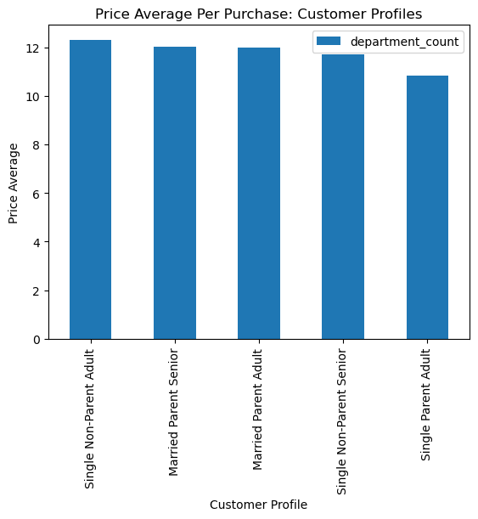

 |  |  |  | 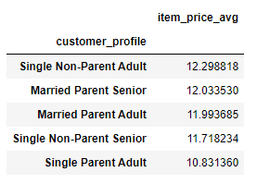 |  | What differences can you find in ordering habits of different customer profiles? Consider the price of orders, the frequency of orders, the products customers are ordering, and anything else you can think of. | Single Non-Parent adults spend the most money per item. This average suggests they make infrequent larger purchases.

 |  |  |  |  |  |  | As shown in a previous graph, married adults from region 3 are the largest customer profile and region combination. Once they are removed from both purchase counts and order day counts, the remaining customers have similar statistics. This observation suggests these behaviors are universal and are not anything specific to any customer group.

7. Recommendations
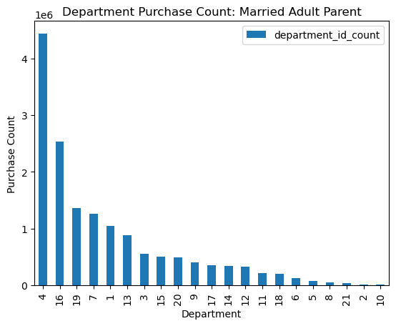
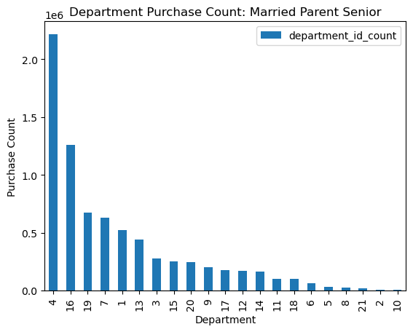
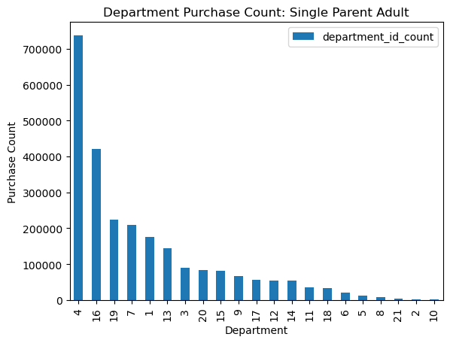

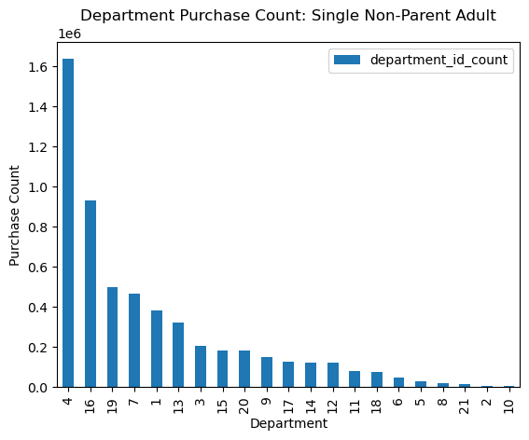
 |  |  |  |  |  |  | Title page

Recommendations

In this tab you should include any recommendations you would made to Instcart in terms of their marketing strategy based on the questions posed in the brief. Every key question has been covered in the Tasks of the Exercises - here you need to add an item - a visualisation or table/crosstable that is showing the answer in the data, acompanied by a comment from you. Please, list the questions below and add the answer underneath.

Question | Answer |  |  | Visualizations
The sales team needs to know what the busiest days of the week and hours of the day are (i.e., the days and times with the most orders) in order to schedule ads at times when there are fewer orders. | Customers shop the least during the late night and especially early morning. The least popular shopping days are Tuesday and Wednesday as well. Purchase count ramps up starting at 7:00 am and hits its peak around noon. The most popular days to shop are the weekend.
 | Ads should be scheduled at 7:00 am, since most users are starting to get on the app. The ads should be set on Tuesday and Wednesday, since those days have the most room for popularity growth. |  | 
They also want to know whether there are particular times of the day when people spend the most money, as this might inform the type of products they advertise at these times. | Customers spend the most money per single purchase from 12:00 am to 5:00 am. The range between the most expensive purchases and the least expensive is not very large. The most expensive is possibly $7.90 and the least is $7.75. Customers spending more money in the early morning contrasts with previous purchase count data. Though overall purchase count is low in the morning, customers spend more money when they do purchase during these times. Ads which will take these late night purchases into account should be shown before 12:00 am to encourage customers to continue to shop.
Instacart has a lot of products with different price tags. Marketing and sales want to use simpler price range groupings to help direct their efforts. | Products should be divided into three separate ranges. Low, mid, and high ranged products. A low range product is $5 and less. A middle range product is $6 to $15. A high range product is $16 and more. There are no high range products offered via Instacart, but the category should still be kept to show any items which are price outliers.
Are there certain types of products that are more popular than others? The marketing and sales teams want to know which departments have the highest frequency of product orders. | Department 4, produce, is the most popular. In all regions throughout the country, produce has the most purchases. Department 10, bulk, is the least popular. Ads and deals should be directed towards both the top and bottom items. The most popular items will benefit from being competitive with Instacart's competitors. The least popular items will be assisted in getting higher sales.
 | Some of the least popular departments such as, 5, 21, and 10, are also shown to have the most expensive items as well. Advertisement should encourage users to buy these products, by offering discounts or including these items in a rewards program, which gives customers some bonus for purchasing these least popular items a number of times. Department 19 is notable, since it is the third popular item and also has the cheapest price on average. Ads should show these low prices to consumers. | 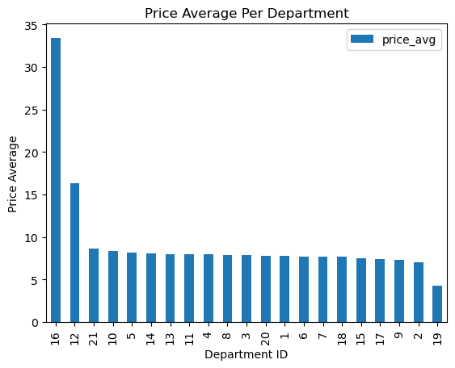
 | Department 16 has a significant higher price average than all items, but is also the second most popular. Instacart can either reduce prices for these items or provide perdiodic deals in order to remain competitive, since these are very popular items.
What’s the distribution among users in regards to their brand loyalty (i.e., how often do they return to Instacart)? | Most the customers instacart have are regular customers. Regular customers are defined as people who have made 11 to 40 total orders. Loyal customers are defined as people who have made over 40 purchases. New customers have made less than 10 orders. Instacart has a consistent customer base, since new customer has the lowest count. Though new customers spend make up the least of the customer count they spend the most money per purchase. The average purchase price per item decreases the more loyal the customer is. |  |  |  | 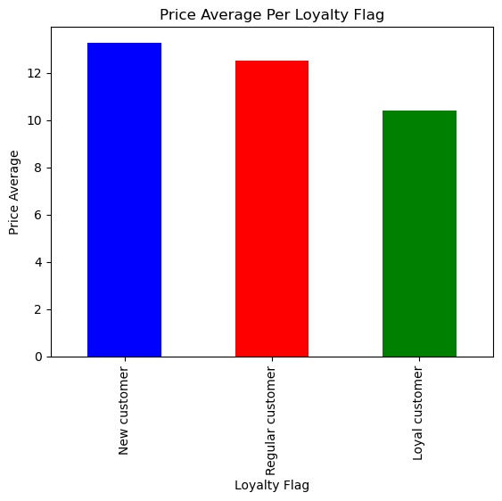 | 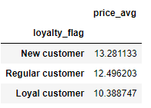
Are there differences in ordering habits based on a customer’s loyalty status? | Customers of all different kinds of Instacart loyalty buy similar products compared to each other. The most popular and least popular products are uniform between loyalty status. The only major differences between the different loyalty statuses is how many total orders there are. The differences are expected since each loyalty status is defined by the number of purchases a customer made.
 | Any ads or deals made with loyalty status in mind should focus on getting an individual customer to the next loyalty tier. New and regular customers should be rewarded for continued use of Instacart. These rewards can include discounts, free delivery, etc.
Are there differences in ordering habits based on a customer’s region? | The popularity for each item parallels the purchase count for the previously shown graph, which showed how popular each departments' items were across all regions. Department 4 is the most popular and department 10 is the least popular. Region 3 is shown to have the most overall purchases. | 
 | Region1 = ['Maine', 'New Hampshire', 'Vermont', 'Massachusetts', 'Rhode Island', 'Connecticut', 'New York', 'Pennsylvania', 'New Jersey'] Region2 = ['Wisconsin', 'Michigan', 'Illinois', 'Indiana', 'Ohio', 'North Dakota', 'South Dakota', 'Nebraska', 'Kansas', 'Minnesota', 'Iowa', 'Missouri']
 | Region3 = ['Delaware', 'Maryland', 'District of Columbia', 'Virginia', 'West Virginia', 'North Carolina', 'South Carolina', 'Georgia', 'Florida', 'Kentucky', 'Tennessee', 'Mississippi', 'Alabama', 'Oklahoma', 'Texas', 'Arkansas', 'Louisiana'] Region4 = ['Idaho', 'Montana', 'Wyoming', 'Nevada', 'Utah', 'Colorado', 'Arizona', 'New Mexico', 'Alaska', 'Washington', 'Oregon', 'California', 'Hawaii']
Is there a connection between age and family status in terms of ordering habits? | The largest percentage of customers are married parent adults. Married parent seniors are the second highest percentage. Instacart usersmost likely to be part of families. Single people make up smaller percentages of the Instacart customers. Furthermore, when cusomter profiles are organized by region, married parent adults are shown to make the most purchases between different regions.
 | Ads and deals should appeal to families as they are the Instacart's biggest demographic. Bundles for department items such as snacks or produce. Any products which may be intented for children should also be promoted as well. These deals will keep current customers and draw in users which will be most likely to use Instacart. Competitors such as DoorDash and GoPuff are not offering any bundle deals. Bundle deals will give InstaCart a niche to capitalize from. | 
What differences can you find in ordering habits of different customer profiles? Consider the price of orders, the frequency of orders, the products customers are ordering, and anything else you can think of. | Single Non-Parent adults spend the most money per item. This average suggests they make infrequent larger purchases.
 | As shown in a previous graph, married adults from region 3 are the largest customer profile and region combination. Once they are removed from both purchase counts and order day counts, the remaining customers have similar statistics. This observation suggests these behaviors are universal and are not anything specific to any customer group.
 | Individual customer profiles do not show much variety in department popularity as well. There are only major differences on the amount each customer profile purchases. The differences can be attributed to the variance in customer profile populations. Ads and deals again should appeal to families, since they are Instacart's most consistent customers. A loyal returning customer base will be good for a consistent business.
 | To expand pass a family demographic, single people should be put into account. Since single people spend the most on average, a reward system should be set up to reward milestone purchases. This reward system will both encourage the family demographic to keep using Instacart since they already use shop the most, but also draw in single people. Rewards may include discounts, free delivery, bundle deals, etc.

